Price Trend
 | Inner Ring | Middle Ring | Outer Ring | Rest of GMR
Q1 2010 | 1,200.00 | 725.00 | 452.50 | 378.50
Q2 2010 | 1,110.00 | 750.00 | 462.00 | 383.00
Q3 2010 | 1,100.00 | 745.00 | 455.00 | 380.00
Q4 2010 | 1,095.00 | 762.00 | 463.80 | 385.00
Q1 2011 | 1,110.00 | 738.00 | 450.00 | 380.50
Q2 2011 | 1,120.00 | 775.00 | 470.00 | 385.00
Q3 2011 | 1,015.00 | 724.00 | 449.00 | 380.00
Q4 2011 | 1,055.00 | 700.00 | 435.00 | 372.00
Q1 2012 | 1,055.00 | 760.00 | 472.50 | 399.00
Q2 2012 | 1,066.00 | 750.00 | 480.00 | 395.00
Q3 2012 | 1,060.00 | 750.00 | 452.00 | 385.00
Q4 2012 | 1,099.00 | 812.00 | 488.60 | 405.00
Q1 2013 | 1,150.00 | 785.00 | 485.00 | 410.00
Q2 2013 | 1,200.00 | 820.00 | 500.00 | 406.00
Q3 2013 | 1,250.00 | 865.00 | 521.00 | 415.00
Q4 2013 | 1,350.00 | 935.00 | 555.00 | 427.80
Q1 2014 | 1,375.00 | 935.00 | 555.00 | 432.00
Q2 2014 | 1,370.00 | 1,000.00 | 580.00 | 445.00
Q3 2014 | 1,480.00 | 1,055.00 | 590.00 | 440.00
Q4 2014 | 1,500.00 | 1,102.00 | 630.00 | 460.00
Q1 2015 | 1,585.00 | 1,150.00 | 625.00 | 462.80
 | Column1

TIP: You can hover over a data point on the graph for more detail about the precise value

Help
Quick tips for using the prebuilt tables and slicers

If you are using Excel 2010 you will need Power Pivot 2012 for Excel 2010 installed. You can obtain this at
http://www.microsoft.com/en-au/download/details.aspx?id=29074
If you are using Excel 2013 then it should prompt you to update the model to the latest version and then it should work normally
Analysing the data
The main measure in this model is Median Sale Price which cannot sensibly be aggregated. If you are interacting with the
slicers but getting blank values in the tables then the chances are there are not sufficient selections on the Slicers.

Using the Slicers
The slicers allow you to change the time period and the information in the tables and graphs. They act as report parameters.
You select a single parameter by pressing with the mouse. You select more than one by holding down a combination of CTRL
and SHIFT keys while pressing the mouse. SHIFT will allow you to select a contiguous range of values in the Slicer. CTRL will
allow you to select multiple non-contiguous values.

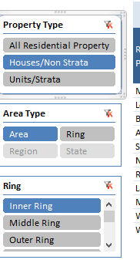
Slicer meaning |  | The filter button will clear all the existing selections
Property Type
Determines where you see Median
Price data for All Property, Units, or
Houses. Select only one at value from |  | The dark blue indicates that this value is currently selected
this slicer |  | You can select multiple values using combinations of a mouse
Area Type |  | click with CTRL or SHIFT held down
Median price data is available at
State level, Region level, and Local
Gov Area (LGA) level. A Ring is
a collection of LGA by proximity to Sydney
Ring |  | A scrollbar will be available if there are more values in the Slicer
Select a Ring will filter the LGAs |  | than are immediately visible
based on their proximity to central Sydney.
You can select one or more of these to
filter the list in the table or graph.

Date Slicers
You can select a Calendar Year or a range of years. You can also select a Financial Year (Jul-Jun) or range. Ensure you clear the filter from one
before using the other to avoid confusing results.

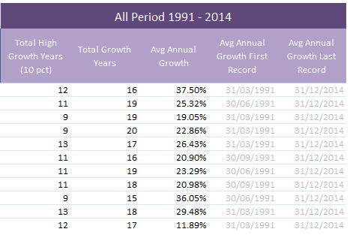
 | Some of the statistics are independent of time and will return
 | the same results regardless of the period selected.

